Dashboard - Sample
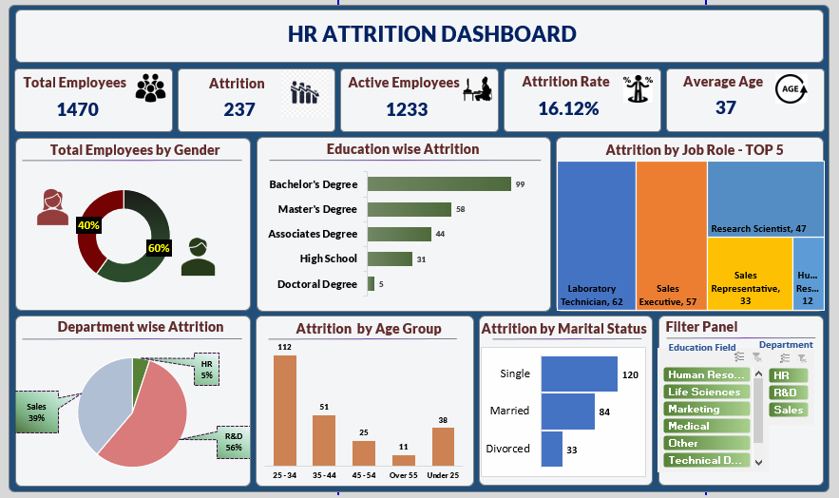

dd

Total Employee by Gender
Genders | Count of employee
Female | 588
Male | 882
Grand Total | 1470

Education wise Attrition
Attrition | Yes

Degrees | Count of Attrition
Doctoral Degree | 5
High School | 31
Associates Degree | 44
Master's Degree | 58
Bachelor's Degree | 99

Department wise Attrition
Attrition | Yes

Dept | Count of Attrition
HR | 12
Sales | 92
R&D | 133

Attrition by Age Groups
Attrition | Yes

Age_Grp | Count of Attrition
25 - 34 | 112
35 - 44 | 51
Under 25 | 38
45 - 54 | 25
Over 55 | 11

Attrition by Marital Status
Attrition | Yes

M.Status | Count of Attrition
Divorced | 33
Married | 84
Single | 120

My Dashboard
`
HR ATTRITION DASHBOARD

Total Employees
Attrition
Active Employees
Attririon Rate
Average Age

1,470
237
1,233
16.12%
37

Total Employee by Gender
Education wise Attrition
Attrition by Job Role - Top 5

 | Total
Female | 588
Male | 882
 | Total
Doctoral Degree | 5
High School | 31
Associates Degree | 44
Master's Degree | 58
Bachelor's Degree | 99

Department wise Attrition
Attrition by Age Groups
Attrition by Marital Status
Filter Panel
 | Total
HR | 12
Sales | 92
R&D | 133
 | Total
25 - 34 | 112
35 - 44 | 51
Under 25 | 38
45 - 54 | 25
Over 55 | 11
 | Total
Divorced | 33
Married | 84
Single | 120

